Hand DQ1
State | Record High (°F) |  | To start with we will make a frequency table and histogram by hand, no Excel formula for this part! |  |  |  |  |  | Legend
Alaska | 100 |  |  |  |  |  |  |  | If a cell is shaded | You should
Hawaii | 100 |  |  |  |  |  |  |  | Blue | Enter a text response
Rhode Island | 104 | 1) | Sort the data by temperature. |  |  |  |  |  | Green | Enter a number
Maine | 105 | 2) | Find the range of the data. Range = Max - Min |  |  | 34 |  |  | Gold | Enter an Excel formula
Vermont | 105 |  | Split the data up into 6 equal length bins. To make sure that all of the data falls into a bin, split the interval (Min - 1, Max + 1] into six sub intervals. The length of each sub interval will be ((Max + 1) - (Min -1))/6. We call this the bin width. |  |  |  |  |  | Any other color | Make no changes
Connecticut | 106
New Hampshire | 106
Massachusetts | 107
New York | 108 | 3) | Compute the bin width |  |  | 6
Florida | 109 | 4) | Complete the following table.
Maryland | 109 |  | Bin | Low | High | Frequency | Relative Frequency
Delaware | 110 |  | 1 | 99 | 105 | 5 | 10%
New Jersey | 110 |  | 2 | 105 | 111 | 11 | 22%
North Carolina | 110 |  | 3 | 111 | 117 | 17 | 34%
Virginia | 110 |  | 4 | 117 | 123 | 14 | 28%
Pennsylvania | 111 |  | 5 | 123 | 129 | 2 | 4%
Alabama | 112 |  | 6 | 129 | 135 | 1 | 2%
Georgia | 112 |  | Hint: Highlight the sorted data in the table so that the color of the data matches the color of the bin. This provides a visual representation of the bins. Then use this to easily fill out the table. You may use an Excel formula for the relative frequency. Relative Frequency = Frequency/Total
Michigan | 112
West Virginia | 112
Ohio | 113
South Carolina | 113 | 5) | Create a hand generated relative frequency histogram where each bar is color coded to match your chosen colors above. Make sure to add the labels and the counts.
Tennessee | 113
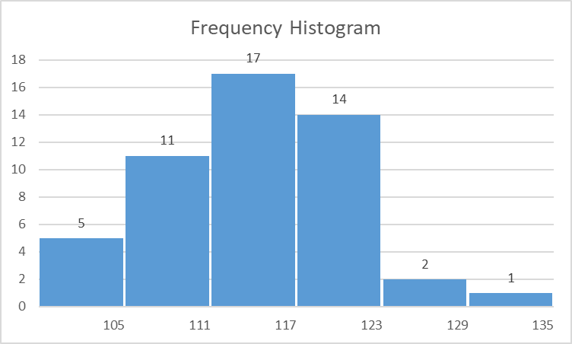
Kentucky | 114
Louisiana | 114 | 20
Minnesota | 114 | 19
Wisconsin | 114 | 18 |  |  | 17
Mississippi | 115 | 17
Wyoming | 115 | 16
Indiana | 116 | 15 |  |  |  | 14
Illinois | 117 | 14
Montana | 117 | 13
Utah | 117 | 12 |  | 11
Colorado | 118 | 11
Idaho | 118 | 10
Iowa | 118 | 9
Missouri | 118 | 8
Nebraska | 118 | 7
Washington | 118 | 6 | 5
Oregon | 119 | 5
Arkansas | 120 | 4
Oklahoma | 120 | 3 |  |  |  |  | 1
South Dakota | 120 | 2 |  |  |  |  |  | 1
Texas | 120 | 1
Kansas | 121 |  | 105 | 111 | 117 | 123 | 129 | 135
North Dakota | 121
New Mexico | 122
Nevada | 125
Arizona | 128
California | 134

Formulas DQ2
State | Record High (°F) |  | Now repeat the first part, but using Excel formulas and charts. |  |  |  |  |  | Legend
Alabama | 112 |  |  |  |  |  |  |  | If a cell is shaded | You should
Alaska | 100 |  |  |  |  |  |  |  | Blue | Enter a text response
Arizona | 128 | 1) | Find the range of the data. Range = Max - Min |  |  | 34 |  |  | Green | Enter a number
Arkansas | 120 |  | We want to split the data up into 6 equal length bins. To make sure that all of the data falls into a bin we will split the interval [Min - 1, Max + 1) into six sub intervals. The length of each sub interval will be ((Max + 1) - (Min -1))/6 rounded to one decimal. We call this the bin width. |  |  |  |  |  | Gold | Enter an Excel formula
California | 134 |  |  |  |  |  |  |  | Any other color | Make no changes
Colorado | 118
Connecticut | 106
Delaware | 110 | 2) | Compute the bin width |  |  | 6 | 6
Florida | 109 | 3) | Complete the following table.
Georgia | 112 |  | Bin | Low | High | Frequency | Relative Frequency | Click on links for video instruction.
Hawaii | 100 |  | 1 | 99 | 105 | 5 | 10%
Idaho | 118 |  | 2 | 105 | 111 | 11 | 22%
Illinois | 117 |  | 3 | 111 | 117 | 17 | 34%
Indiana | 116 |  | 4 | 117 | 123 | 14 | 28%
Iowa | 118 |  | 5 | 123 | 129 | 2 | 4%
Kansas | 121 |  | 6 | 129 | 135 | 1 | 2%
Kentucky | 114 |  | Hint: Highlight the sorted data in the table so that the color of the data matches the color of the bin. This provides a visual representation of the bins. Then use this to easily fill out the table. You may use an Excel formula for the relative frequency. Relative Frequency = Frequency/Total
Louisiana | 114
Maine | 105
Maryland | 109
Massachusetts | 107 | 4) | Create a histogram using the Excel (clustered) column chart (2D or 3D).
Michigan | 112
Frequency Histogram
Relative Frequency Histogram
Minnesota | 114
Mississippi | 115
Missouri | 118
Montana | 117
Nebraska | 118
Nevada | 125
New Hampshire | 106
New Jersey | 110
New Mexico | 122
New York | 108
North Carolina | 110
North Dakota | 121
Ohio | 113
Oklahoma | 120
Oregon | 119
Pennsylvania | 111
Rhode Island | 104
South Carolina | 113
South Dakota | 120
Tennessee | 113
Texas | 120
Utah | 117
Vermont | 105
Virginia | 110
Washington | 118
West Virginia | 112
Wisconsin | 114
Wyoming | 115

